Test Plan
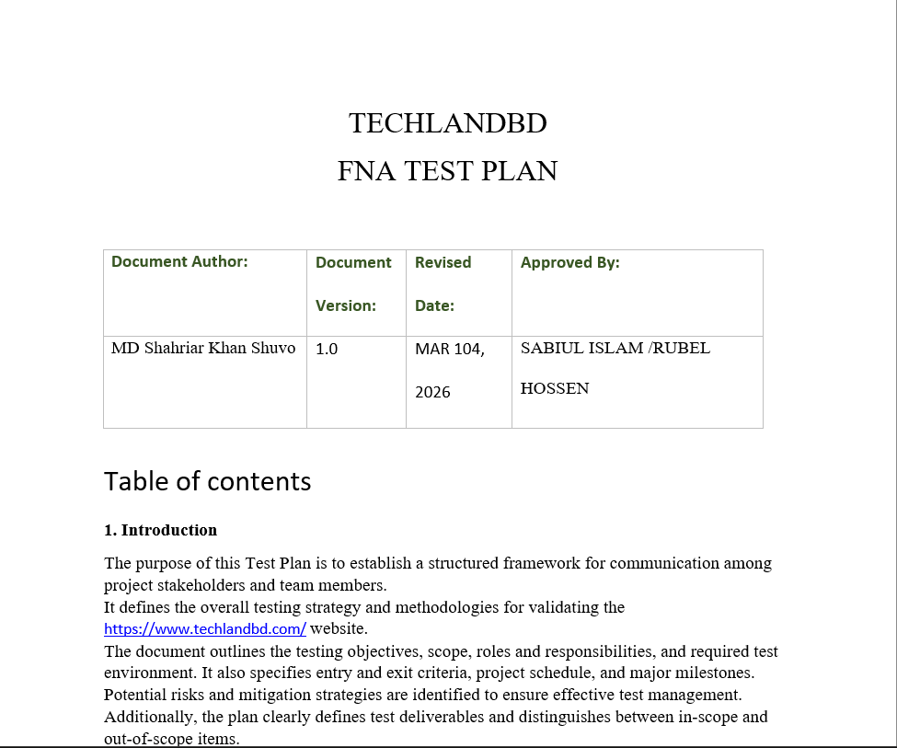

Please Click Here to show my testplan for TECHLAND BD

